List1
 | Merjenje časa polnjenja tabel in indeksi
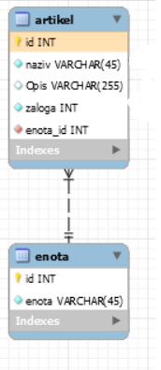
 |  |  | Izbrani entiteti

 |  |  | Najprej izbrišemo vse vnose

 | INSERT INTO artikel z CONSTRAINT |  |  |  | INSERT INTO artikel

 |  |  |  |  |  | .

 | DELETE artikel z CONSTRAINT

 | UPDATE artikel z CONSTRAINT |  |  |  | UPDATE artikel

 | SELECT artikel z CONSTRAINT |  |  |  | SELECT artikel

 | Z indexi

 | Popravek z START TRANSACTION
 | Metoda: z constraint
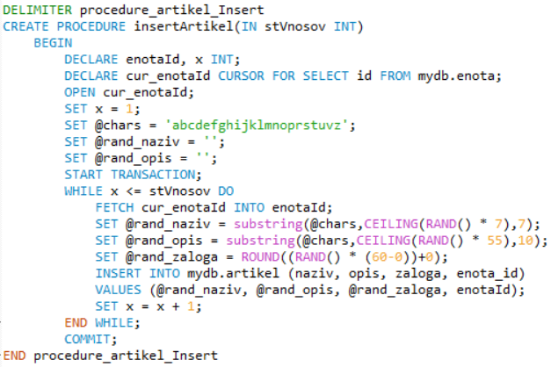

 | Metoda: brez constraint
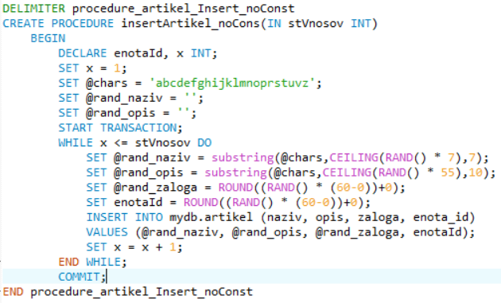

Primerjave poizvedb
 |  | z omejitvami | brez omejitev | z indexi
 | INSERT | 633.80 | 401.38 | 2185.54
 | SELECT * | 9.72 | 5.59 | 26.39
 | SELECT AND | 23.28 | 24.28 | 33.03
 | SELECT OR | 40.95 | 30.43 | 29.02

11:14:22 | CREATE PROCEDURE insertEnota(IN stVnosov INT) BEGIN DECLARE x INT; SET x = 1; SET @chars = 'ABCDEFG'; SET @charLen = length(@chars); SET @randomString = ''; START TRANSACTION; WHILE x <= stVnosov DO SET @randomString = substring(@chars,CEILING(RAND() * @charLen),5); INSERT INTO mydb.enota (enota) VALUES (@randomString); SET x = x + 1; END WHILE; COMMIT; END | 0 row(s) affected | 0.063 sec
11:14:33 | CALL insertEnota(100) | 0 row(s) affected | 0.109 sec
11:14:39 | DELETE FROM enota | 100 row(s) affected | 0.093 sec
11:14:51 | CALL insertEnota(100000) | 0 row(s) affected | 3.281 sec
11:15:06 | DELETE FROM enota | 100000 row(s) affected | 1.297 sec
11:15:10 | CALL insertEnota(10000000) | 0 row(s) affected | 268.016 sec
11:22:52 | CREATE PROCEDURE insertArtikel(IN stVnosov INT) BEGIN DECLARE enotaId, x INT; DECLARE cur_enotaId CURSOR FOR SELECT id FROM mydb.enota; OPEN cur_enotaId; SET x = 1; SET @chars = 'abcdefghijklmnoprstuvz'; SET @rand_naziv = ''; SET @rand_opis = ''; START TRANSACTION; WHILE x <= stVnosov DO FETCH cur_enotaId INTO enotaId; SET @rand_naziv = substring(@chars,CEILING(RAND() * 7),7); SET @rand_opis = substring(@chars,CEILING(RAND() * 30),7); SET @rand_zaloga = ROUND((RAND() * (60-0))+0); INSERT INTO mydb.artikel (naziv, opis, zaloga, enota_id) VALUES (@rand_naziv, @rand_opis, @rand_zaloga, enotaId); SET x = x + 1; END WHILE; COMMIT; END | 0 row(s) affected | 0.078 sec

11:23:05 | CALL insertArtikel(10000000) | 0 row(s) affected | 642.781 sec

12:12:07 | SELECT * FROM artikel LIMIT 0, 1000 | 1000 row(s) returned | 0.031 sec / 0.000 sec

12:13:07 | SELECT * FROM artikel WHERE naziv = 'fahijkl' OR naziv = 'cdefahi' LIMIT 0, 1000 | 0 row(s) returned | 22.532 sec / 0.000 sec

12:13:48 | SELECT * FROM artikel LIMIT 10000000 | 10000000 row(s) returned | 0.078 sec / 23.640 sec

12:16:09 | SELECT * FROM artikel WHERE naziv = 'fghijkl' OR naziv = 'ghijklm' LIMIT 10000000 | 2860064 row(s) returned | 0.062 sec / 23.953 sec

12:17:23 | SELECT * FROM artikel WHERE naziv = 'fghijkl' AND opis = 'mnoprst' LIMIT 10000000 | 47853 row(s) returned | 0.094 sec / 24.281 sec

12:18:25 | CREATE INDEX i_artikel_enota ON artikel (naziv) USING HASH | 0 row(s) affected Records: 0 Duplicates: 0 Warnings: 0 | 118.563 sec

12:20:24 | CREATE INDEX i_artikel_naziv ON artikel (zaloga) USING BTREE | 0 row(s) affected Records: 0 Duplicates: 0 Warnings: 0 | 131.172 sec

12:42:43 | SELECT * FROM artikel WHERE naziv = 'fghijkl' AND opis = 'mnoprst' LIMIT 10000000 | 47853 row(s) returned | 0.265 sec / 40.953 sec

12:43:40 | SELECT * FROM artikel WHERE naziv = 'fghijkl' OR opis = 'mnoprst' LIMIT 10000000 | 1717039 row(s) returned | 0.032 sec / 30.437 sec

